Test Case 1
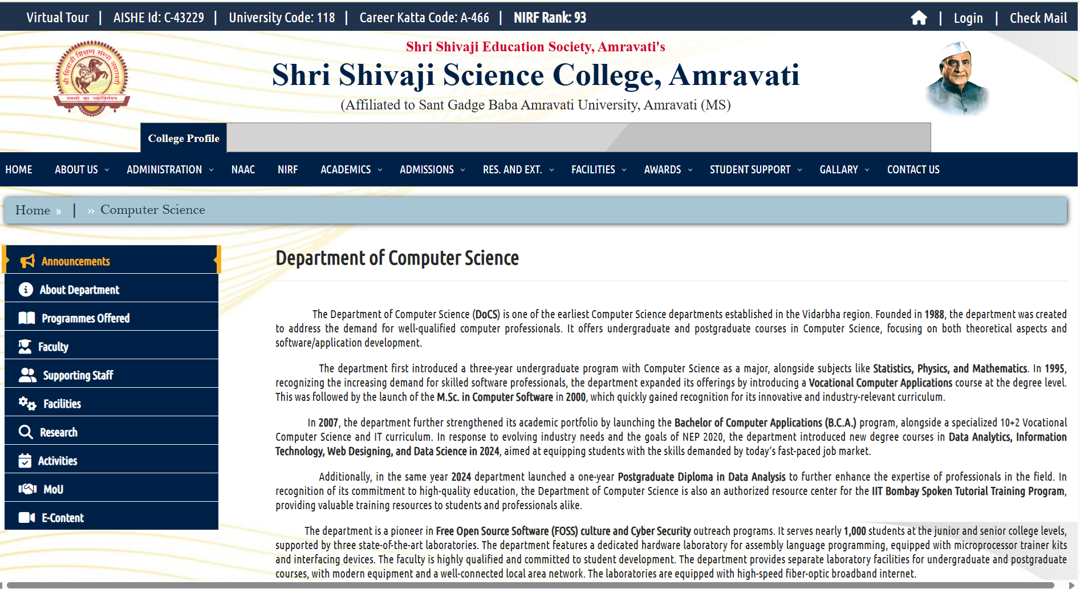
Test Case ID |  | TC_Practical-010 | Test Case Description | Test cases to test computer department web pages from shri shivaji science college website
Created By |  | Gauri Mahalle | Reviewed By | Bhavana Mahalle |  | Version |  | 1.0

Tester's Name |  |  | Date Tested |  |  | Test Case (Pass/Fail/Not Executed) |  | Pass

# | Prerequisites: |  |  | # | Test Data
1 | Access to internet |  |  | 1
2 | Chrome Browser |  |  | 2
3 | Windows OS |  |  | 3
4 |  |  |  | 4

Test Scenario | Verify that the test cases computer department web pages from shri shivaji science college
Step # | Step Details |  | Expected Results | Actual Results |  |  | Pass / Fail / Not executed / Suspended

1 | Go to google homepage and search www.shivajiscamt.org/pages/computer.php and Open the link |  | Page should be load withour any error.
2 | Check the title shown in the browser tab |  | Title should be"computer Department-Shri Shivaji Science College"
3 | Check the top of the college logo. |  | College logo should be visible and properly aligned. |  |  |  |  |  | cenar
4 | Click on Home,About,Departments,etc |  | Each link should redirect to the correct page.
5 | Look at the top of the page |  | Heading"Computer Department"should be clearly visible.
6 | Scroll down and see faculty names |  | All teachers'names and designations are correct
7 | Look for photos on page |  | All images load clearly,not broken
8 | Read the text |  | Text is easy to read and neat.
9 | Click any link inside the page. |  | It opens correct information.
10 | Go to bottom of page |  | Email,phone,or address are shown correctly.
11 | Open page on laptop or PC |  | Page looks proper,no misalignment.
12 | Open page on phone |  | Page fits properly on mobile screen
13 | Click all links one by one |  | No link shows" 404 error
14 | Click on any download link |  | File downloads properly.
15 | Right click and Inspect image |  | Each image has correct description.
16 | Open page and see loading time. |  | Page loads within few seconds.
17 | Click Home or Back |  | Takes you to correct previous or home page
18 | Click social media icons(if any) |  | Opens correct social media pages
19 | Use tab key to move through page |  | All sections can be accessed by keyboard.
20 | Scroll to the bottam |  | Footer shows correct college info and year.

